Sheet1
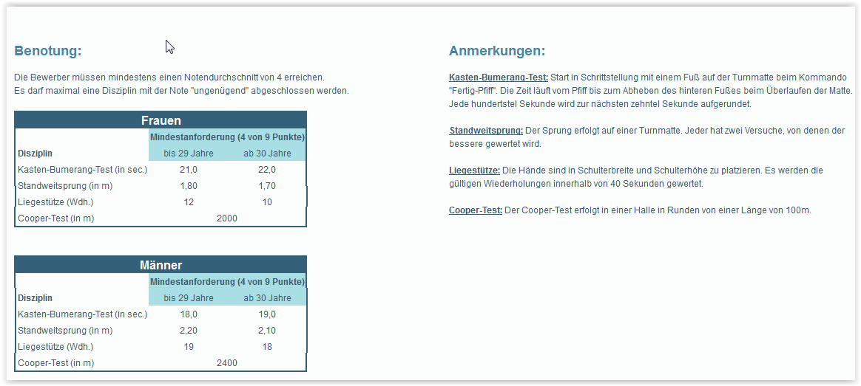
 | 4 x 25 M Shuttle Run | 3000 Meter Lauf | 20 ft. Rope Climb in Body Armor or Weight Vest - 25# | Bench Press 80% Body Weight | 1 Minute of Pushups | 1 Minute of Situps | Pullups | Dips | 1 Minute Kip-ups Pull Ups (Cross Fit Klimmzüge) | Punkte Dips | Punkte Pullup | Punkte Situps | Punkte Pushup | Punkte BenchPress | Summe Kraft | Punkte Sprint | Punkte Laufen | Gesamtpunkte | UBBR Berechung nach App | Platz intern | Geschafft UBBR
 | Max 24 Secs | 14 min | 1 | 6 - Not Timed | min 40 | min 40 | 6 - Not Timed | 6 - Not Timed | 2 |  |  |  |  |  |  |  | Pro 7,5 sec unter 13:15 2 Punkte
 | 2 Pts Every 1/10 of a Sec Under | (Complete the 2-mile run in at least 12 to 14 minutes) | Pass / Fail | 3 Pts Each Rep Above Min | 2 Pts Each Rep Above Min | 3 Pts Each Rep Above Min | 3 Pts Each Rep Above Min | 2 Pts Each Rep Above Min | 2 Pts Every Rep Above Min

Pfeifi 98 | 21 | 17:15:00 | 0 | 2 | 40 | 41 | 5 | 15 |  | 18 |  | 3 | 0 |  | 21 | 30 |  | 51 |  |  | nein
Max 86 | 21 | 17:00:00 | 1 | 18 | 70 | 48 | 21 | 39 |  | 66 | 45 | 24 | 60 | 36 | 231 | 30 |  | 261 |  | 2 | nein
Luki S. 66 | 21 | 18:05:00 | 1 | 5 | 59 | 59 | 15 | 29 |  | 46 | 27 | 57 | 38 |  | 168 | 30 |  | 198 |  | 5 | nein
Sebi 91 | 20 | 14:40:00 | 1 | 14 | 65 | 56 | 12 | 22 |  | 32 | 18 | 48 | 50 | 24 | 172 | 40 |  | 212 |  | 4 | nein
Bini 65 | 20 | 11:10:00 | 1 | 11 | 61 | 56 | 14 | 30 |  | 48 | 24 | 48 | 42 | 15 | 177 | 40 | 34 | 217 | 1232 | 3 | ja
Aleks 76 | 19 | 16:30:00 | 1 | 1 | 30 | 48 | 3 | 7 |  | 2 | 0 | 24 | 0 |  | 26 | 50 |  | 76 |  |  | nein
Kajetan 80 | 20 | 12:08:00 | 1 | 26 | 79 | 55 | 16 | 38 |  | 64 | 30 | 45 | 78 | 60 | 277 | 40 | 16 | 317 |  | 1 | ja
Edi 70 | 21 | 16:10:00 | 1 | 5 | 52 | 42 | 7 | 15 |  | 18 | 3 | 6 | 24 |  | 51 | 30 |  | 81 |  |  | nein
Binay 38 | 23 | 15:55:00 | 1 | 20 ohne Gewicht | 48 | 45 | 0 | 1 |  | 0 | 0 | 15 | 16 | 1 | 32 | 10 |  | 42 |  |  | nein
Luxn |  |  |  |  |  |  |  |  |  | 0 | 0 | 0 | 0 |  | 0 |  |  | 0 |  |  | nein
Probsti 124 | 22 | 23:50:00 | 0 | 4 | 37 | 27 | 1 | 4 |  | 0 | 0 | 0 | 0 |  | 0 | 20 |  | 20 |  |  | nein
Tina 56 | 23 | 17:30:00 | 0 | 6 | 36 | 36 | 1 | 1 |  | 0 | 0 | 0 | 0 | 0 | 0 | 10 |  | 10 |  |  | nein
Snezi 61 | 23 | 18:00:00 | 0 | 6 | 30 | 39 | 1 | 1 |  | 0 | 0 | 0 | 0 | 0 | 0 | 10 |  | 10 |  |  | nein
Alex 67 | 20 | 13:00:00 | 1 | 13 | 61 | 53 | 12 | 23 |  | 34 | 18 | 39 | 42 | 21 | 154 | 40 | 4 | 194 |  | 6 | ja
Lari 55 | 23 | 18:45:00 | 1 | 6 | 15 | 35 | 1 | 2 |  | 0 | 0 | 0 | 0 | 0 | 0 | 10 |  | 10 |  |  | nein
Anita 80 | 23 | 19:25:00 | 0 | 7 | 13 | 36 | 1 | 2 |  | 0 | 0 | 0 | 0 | 3 | 3 | 10 |  | 13 |  |  | nein
Melli 63 |  |  | 0 | 8 | 39 | 40 | 5 | 7 |  | 2 | 0 | 0 | 0 | 6 | 8 |  |  | 8 |  |  | nein
Steve 68 |  |  | 1 | 6 | 59 | 49 | 8 | 11 |  | 10 | 6 | 27 | 38 | 0 | 81 |  |  | 81 |  |  | nein
Rasim 65 |  |  | 1 | 9 | 54 | 43 | 10 | 17 |  | 22 | 12 | 9 | 28 | 9 | 80 |  |  | 80 |  |  | nein
Dani 67 |  |  | 1 | 9 | 53 | 44 | 7 | 11 |  | 10 | 3 | 12 | 26 | 9 | 60 |  |  | 60 |  |  | nein
Michi 73 |  |  | 1 | 20 | 75 | 45 | 12 | 22 |  | 32 | 18 | 15 | 70 | 42 | 177 |  |  | 177 |  |  | nein

If you do not meet the minimum standards in EVERY event you will fail the entire test. The least you can score is 900 points. By adding your extra repetitions / time per exercise you can create a team competition or have a way to grade prospective candidates seeking to enter
these Special Operations Teams. A good score is considered 1300 and above with some scores getting about 1500 in many of the Spec Ops units.

Für die Punkte: |  |  |  |  | 5 Mile Run
 |  |  |  |  | Run - Max 40 Mins,
 |  |  |  |  | 2 Pts Every Full 15 Sec from 35 to 30 Min

(for females, the minimum is 15 seconds; a perfect score for lasting 70 seconds) (the flexed arm hang for females is to be replaced with pull ups. Starting in 2014, all female Marines were supposed to be able to do at least three pull-ups on their annual physical fitness test and eight for a perfect score, though this was delayed when more than half of those tested were unable to pass the test.

